Problem Statement
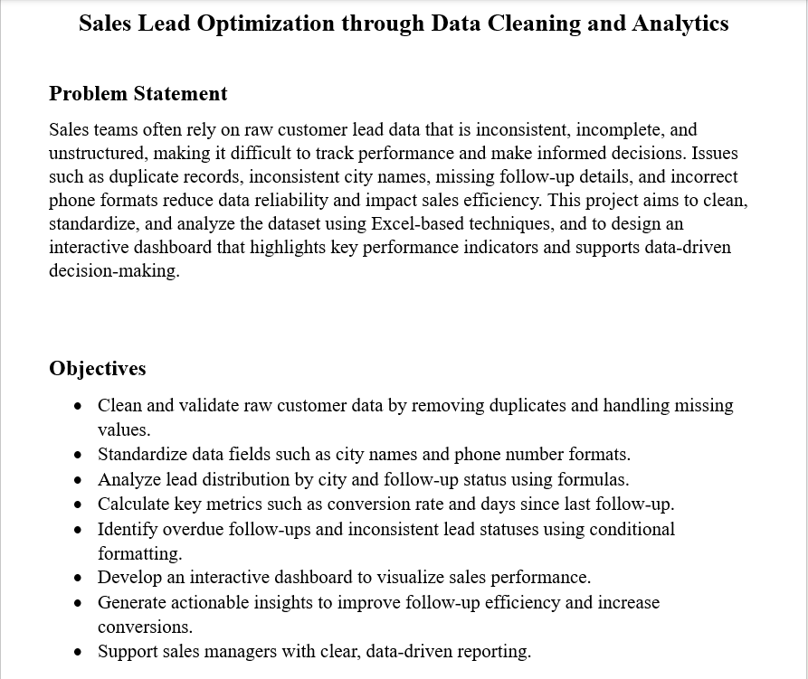

Working Sheet 3
 | Total

 | Appointment Fixed | Closed | Contacted | Not Responded | Pending

 | Appointment Fixed | Closed | Contacted | Not Responded | Pending

Row Labels | Row Labels
Jaipur | Bangalore | #DIV/0!
Bangalore | Delhi | #DIV/0!
Bengluru | Hyderabad | #DIV/0!
Delhi | Jaipur | #DIV/0!
Hyd | Mumbai | #DIV/0!
Hyderabad
Jaipur
Mumabi
Mumbai
Grand Total

Dashboard Sheet
Dashboard
Total Leads by City
Follow-up Status Breakdown
 | Total
Conversion Rate per City
 | Appointment Fixed | Closed | Contacted | Not Responded | Pending

City-Wise Insights
Hyderabad leads with the highest number of leads (10) and a conversion rate of 50%, showing strong customer engagement and closure effectiveness.
Mumbai has the most total leads (11) but a lower conversion rate (18%), indicating high interest but weaker closure rates.
Bangalore shows a high conversion rate (67%) despite fewer leads, suggesting efficient follow-ups.
Delhi has moderate leads (6) but a low conversion rate (17%), showing potential improvement in converting interest into sales.
Jaipur has no conversions, meaning follow-up or engagement strategies need attention there.
Follow-up Status Insights
Closed: 10 leads — indicating good progress in conversions.
Contacted: 9 leads — show active engagement in process.
Pending (8) and Not Responded (6) together form 40% of all leads, showing a gap where team follow-ups can improve.
Appointment Fixed (2) is low — the team could focus on scheduling more meetings or demos to increase conversion potential.

